REPORT CARD

 |  |  |  | Timeline & Goals

 |  |  |  | In this section, we will explore what your timeframe and targets to hit within that timeframe. Your targets are the amount of zero-emission vehicles to include in your fleet and your timeframe is the year by which these numbers should be reached.

 |  |  |  |  | Sustainable Fleets ZEV Goals

 |  |  |  |  | Zero Emission Vehicles |  |  | 10% | 25% | 50% | 75% | 100%
 |  |  |  | Group 1 | Box trucks or Vans, Two-axel buses, Yard trucks, Light Duty |  |  | 2025 | 2028 | 2031 | 2033 | 2035

 |  |  |  | Group 2 | Work trucks, Day cab tractors, Three-axel buses |  |  | 2027 | 2030 | 2033 | 2036 | 2039

 |  |  |  | Group 3 | Sleeper cab tractors and Specialty vehicles |  |  | 2030 | 2033 | 2036 | 2039 | 2042

 |  |  |  | Your ZEV Goals

 |  |  |  |  | Zero Emission Vehicles |  |  | Deadline | Goal (%) | Goal (#) | Your Progress (%) |  | Your Progress (#)
 |  |  |  | Group 1 | Box trucks or Vans, Two-axel buses, Yard trucks, Light Duty

 |  |  |  | Group 2 | Work trucks, Day cab tractors, Three-axel buses

 |  |  |  | Group 3 | Sleeper cab tractors and Specialty vehicles

 | Visualize Your Current and Future Goals
 | Progression Towards Goal for Group 1 Vehicles

 | Group 1
Your Achievement: 2022 | 0%
Current Goal: 2025 | 0%
Next Goal: 2028 | 0%

 | Progression Towards Goal for Group 2 Vehicles

 | Group 2
Your Achievement: 2022 | 0%
Current Goal: 2027 | 0%
Next Goal: 2030 | 0%

 | Progression Towards Goal for Group 3 Vehicles

 | Group 3
Your Achievement: 2022 | 0%
Current Goal: 2030 | 0%
Next Goal: 2033 | 0%

 |  |  |  | Progress to Date

Non-ZEV Footprint |  |  |  |  |  |  |  |  |  | Section Explanation
 |  |  |  |  |  |  |  |  |  | This is an overview of how green your fleet is becoming! Continue to adopt zero-emission vehicles (ZEVs) over time, and eventually your pie chart will be completely green!

 | Baseline Year 2021
ZEVs | 0
Non-ZEVs | 0
 | Reporting Year 2022
ZEVs | 6
Non-ZEVs | 1

Vehicle Compostion |  |  |  |  |  |  |  |  |  | Section Explanation
 |  |  |  |  |  |  |  |  |  | From these graphs you can: - Keep track of where your ZEV are needed - Keep track of where your ZEV are going - Track mileage from your ZEVs and non-ZEVs

 | Baseline Year - ZEV and Non-ZEV Vehicle Composition |  |  |  |  |  |  |  |  | Reporting Year - ZEV and Non-ZEV Vehicle Composition

 | ZEV | Non-ZEV
 | 0 | 0
 | 0 | 0
 | 0 | 0
 | 0 | 0
 | 0 | 0
 | 0 | 0
 | 0 | 0
 | 0 | 0
 | 0 | 0
 | 0 | 0
 | 0 | 0
 | 0 | 0
 | ZEV | Non-ZEV
 | 0 | 0
 | 0 | 0
Two-Axle Buses | 6 | 0
 | 0 | 0
 | 0 | 0
 | 0 | 0
Work Trucks | 0 | 1
 | 0 | 0
 | 0 | 0
 | 0 | 0
 | 0 | 0
 | 0 | 0

 | Green House Gas Emissions in Baseline Year and Reporting Year

 | Baseline Year CO2 (kg) | Reporting Year CO2 (kg)
 | 0 | 0
 | 0 | 0
 | 0 | 0
 | 0 | 0
 | 0 | 0
 | 0 | 0
 | 0 | 0
 | 0 | 0
 | 0 | 0
 | 0 | 0
 | 0 | 0
 | 0 | 0
 | 0 | 0
 | 0 | 0

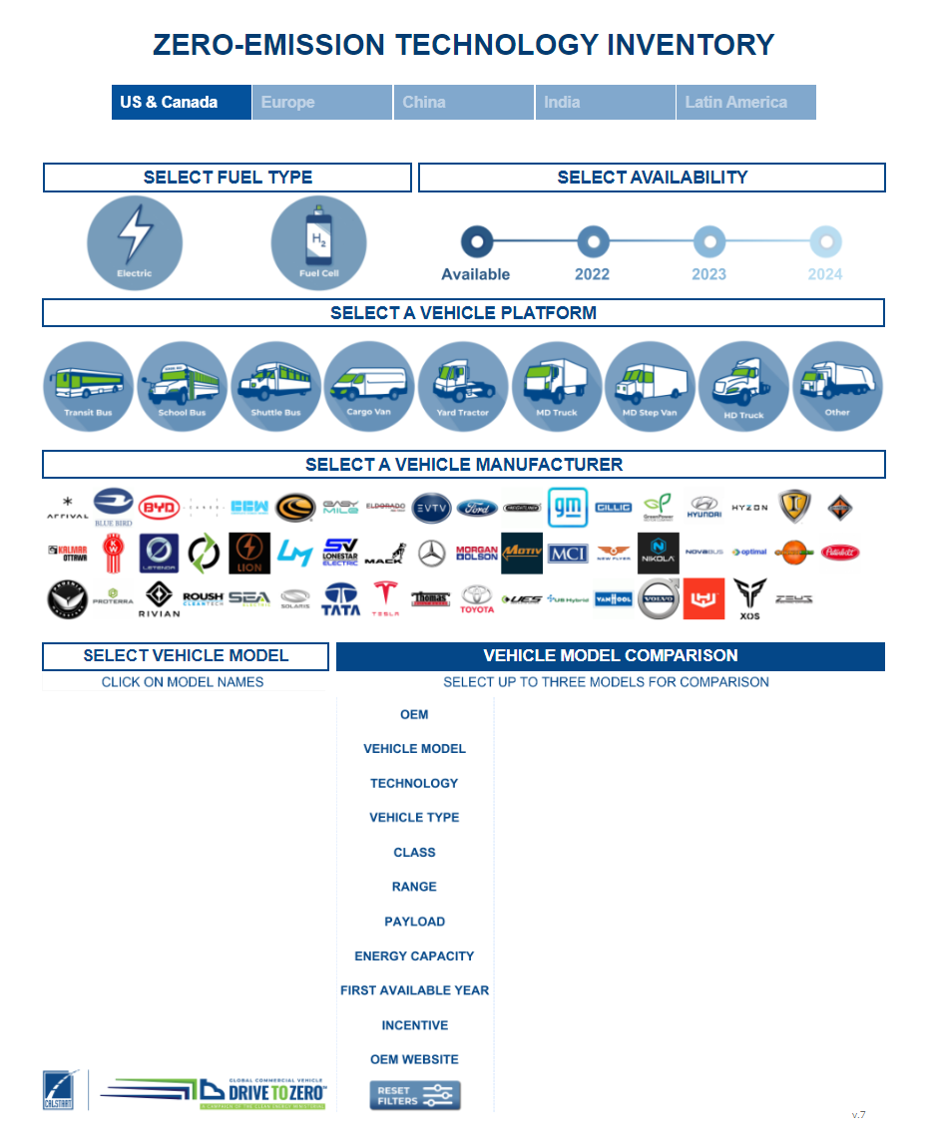
 |  |  |  |  |  |  |  |  |  |  |  | Access ZETI Tool
 | Tool Tip
 | Use these graphs to understand which vehicle groups to focus on. Check out the Zero Emission Technology Inventory (ZETI) tool to see what ZEV options are available for your needs! ZETI offers many different models from more than 50 well-known manufacturers! Open the ZETI page by pressing the "Acess ZETI Tool" link to the right.

 | Vehicle Types in Your Fleet

Two-Axle Buses | 85.71%
Work Trucks | 14.29%
#N/A | 0.00%
#N/A | #N/A
 |  |  |  |  |  |  | Vehicle Type

 |  |  |  |  |  |  |  |  | ZETI Vehicle Legend |  |  |  |  |  | Box Trucks and Work Trucks

 |  |  |  |  |  | Models Available:

 |  |  |  |  |  |  |  |  |  |  | Vans |  |  |  | Day Cab and Sleeper Cab

 |  |  |  |  |  | Models Available:
 |  |  |  |  |  |  |  |  |  |  | Two-Axle Buses and Three-Axle Buses |  |  |  | Specialty Vehicles and Other

 |  |  |  |  |  | Models Available: |  |  |  |  | Yard Truck |  |  |  | Light Duty Package and Other Light Duty

 |  |  |  | Resources - HVIP to Make ZEVs more Affordable

 |  |  |  |  |  |  | To HVIP Vehicle Catalog!
 | Tool Tip |  |  |  |  |  | HVIP website CARB Vehicle Group Types |  |  |  |  |  |  | # of Models Available:
 | If you are a California fleet you may be interested in what HVIP has to offer. This program focuses on making ZEVs more affordable by offering incentives of up to $198,000! HVIP has provided $847,001,159 nationwide to help speed up ZEV adoption!
 |  |  |  |  |  |  | Two-Axle and Three-Axle Buses

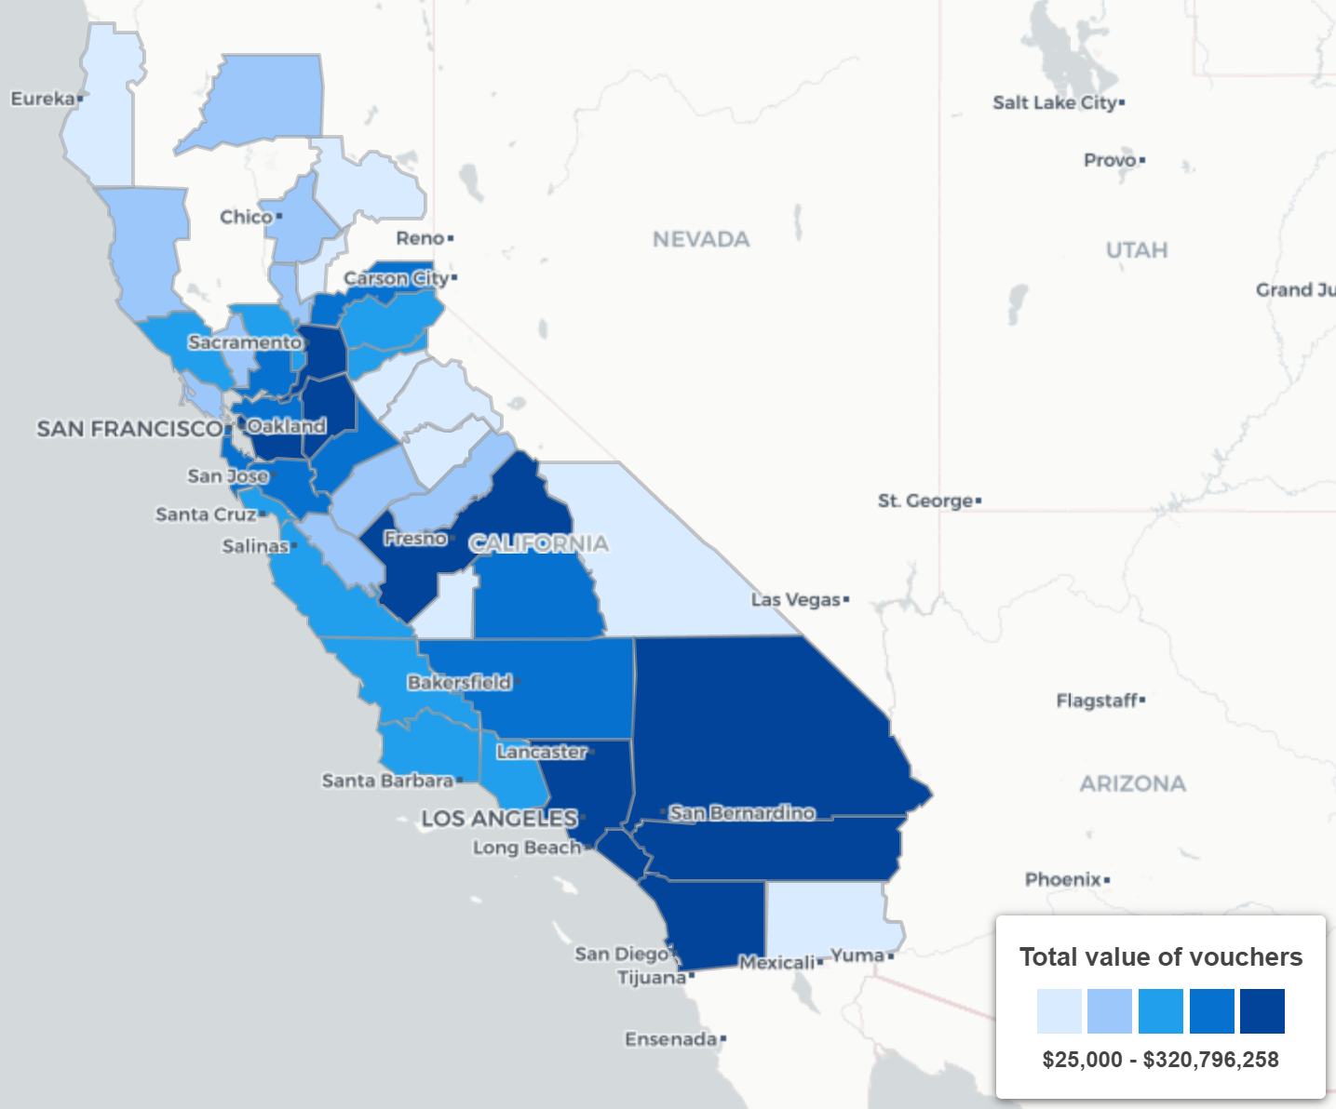
 |  |  |  |  |  |  | Vans

 |  |  |  |  |  |  | Day Cab Tractors and Sleeper Cabs

 |  |  |  |  |  |  | Work Trucks and Box Trucks

 |  |  |  |  |  |  | Yard Trucks, Light-Duty Package, and Other Light-Duty |  | Currently not available on the HVIP website!

 |  |  |  |  |  |  | Specialty and Other

 |  |  | Resources - Additional Links

 |  | To EnergIIZE! |  |  |  |  |  |  | To Infrastructure Insite!
 |  | EnergIIZE |  |  |  |  |  |  | Infrastruture Insite
 |  | Infrastructure is just as important as your vehicles. After all you will need ways to fuel your ZEVs. EnergIIZE provides incentives to make infrastructures more affordable. The EnergIIZE website also provides information on Make-Ready programs. These are utility sponsored programs that help with installations, system upgrades, and more! |  |  |  |  |  |  | As the market for zero-emission medium- and heavy-duty vehicles matures in California, fleets need guidance on the development of charging and refueling infrastructure. Here is a tool that takes the user through the infrastructure development process, recommends the appropriate equipment, and provides cost and time estimates.

 |  |  |  | Benchmarking Section

